gsm_rxlev_sub_dbm
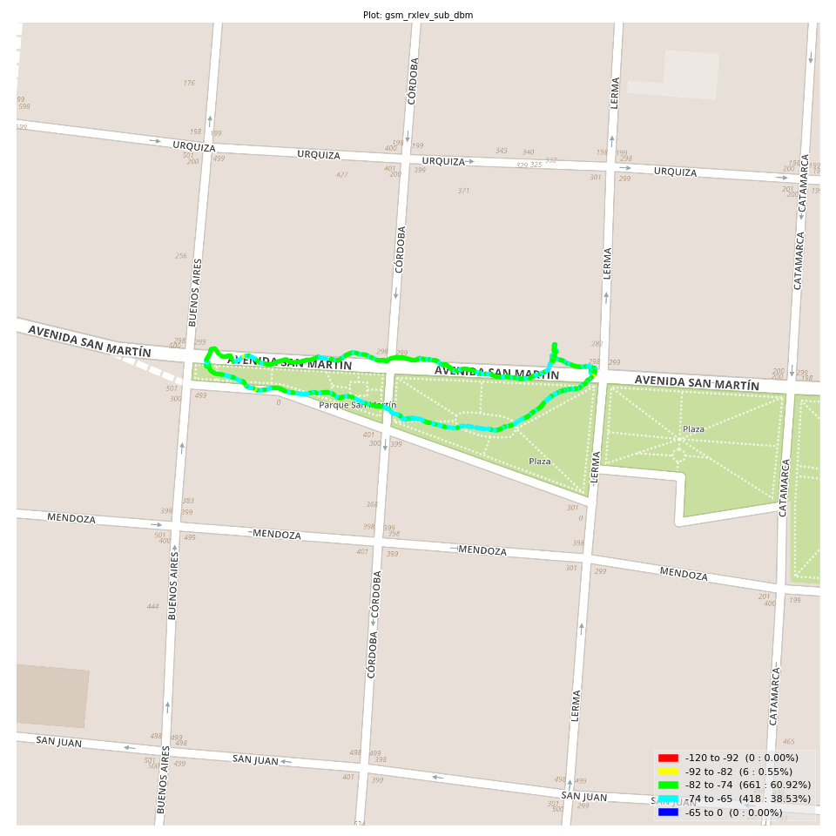
gsm_rxlev_sub_dbm Report

Sampling Distribution Histogram
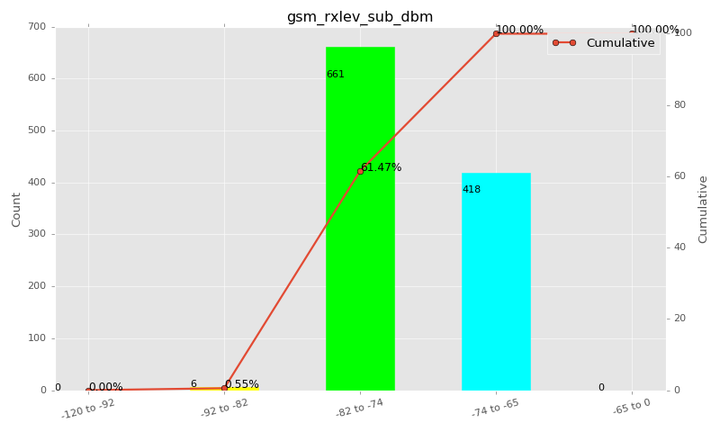

Sampling Distribution Table (first 10 ranges)
ColorXml | Lower | Upper | N Samples | Range | % | Cumulative %
 | -120 | -92 | 0 | -120 to -92 | 0.00 | 0.00
 | -92 | -82 | 6 | -92 to -82 | 0.55 | 0.55
 | -82 | -74 | 661 | -82 to -74 | 60.92 | 61.47
 | -74 | -65 | 418 | -74 to -65 | 38.53 | 100.00
 | -65 | 0 | 0 | -65 to 0 | 0.00 | 100.00

Basic statistics
N | 1085
Mean | -75.25
SD | 3.13
MAX | -66.00
Median | -75.00
Min | -84.00

Geographical Plot

gsm_rxqual_sub
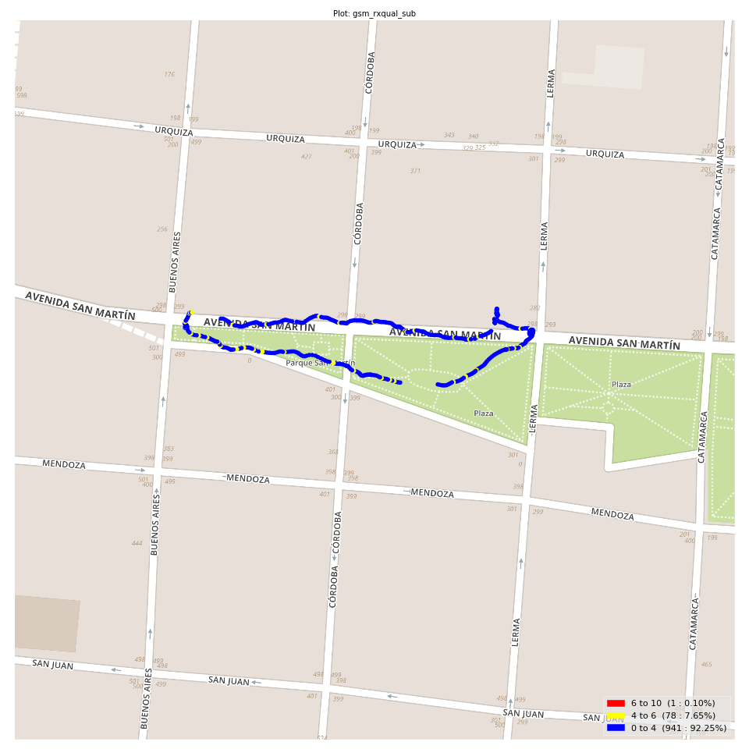
gsm_rxqual_sub Report

Sampling Distribution Histogram
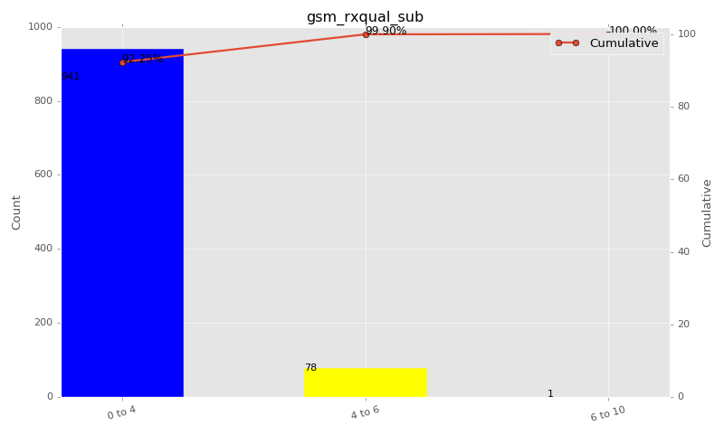

Sampling Distribution Table (first 10 ranges)
ColorXml | Lower | Upper | N Samples | Range | % | Cumulative %
 | 0 | 4 | 941 | 0 to 4 | 92.25 | 92.25
 | 4 | 6 | 78 | 4 to 6 | 7.65 | 99.90
 | 6 | 10 | 1 | 6 to 10 | 0.10 | 100.00

Basic statistics
N | 1020
Mean | 1.27
SD | 1.39
MAX | 6.00
Median | 1.00
Min | 0.00

Geographical Plot

gsm_arfcn_bcch
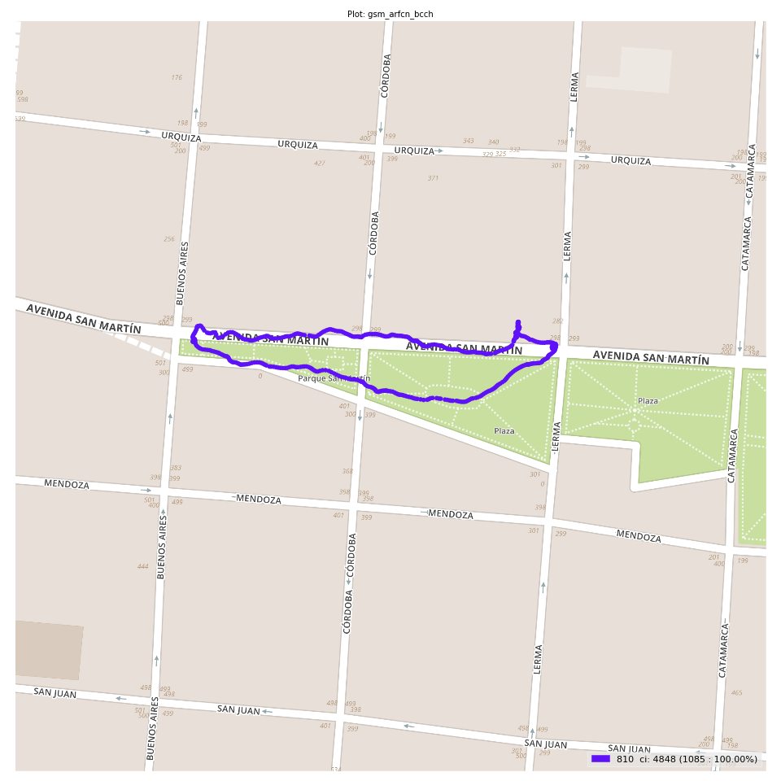
gsm_arfcn_bcch Report

Sampling Distribution Histogram
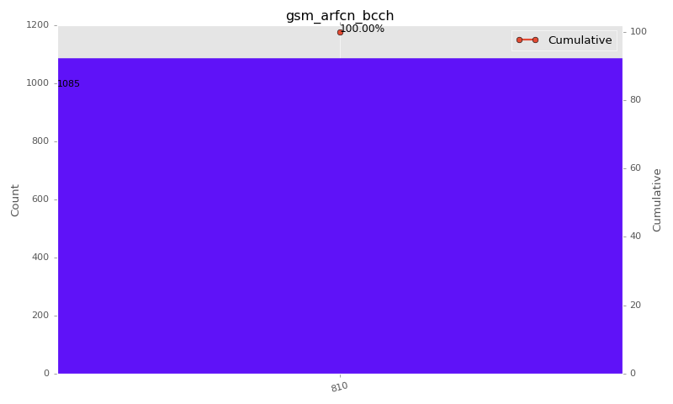

Sampling Distribution Table (first 10 ranges)
ColorXml | Lower | Upper | match_value | N Samples | Range | % | Cumulative %
 |  |  | 810 | 1085 |  | 100.00 | 100.00

Basic statistics
N | 1085
Mean | N/A (id-type column: gsm_arfcn_bcch)
SD | N/A (id-type column: gsm_arfcn_bcch)
MAX | N/A (id-type column: gsm_arfcn_bcch)
Median | N/A (id-type column: gsm_arfcn_bcch)
Min | N/A (id-type column: gsm_arfcn_bcch)

Geographical Plot

lte_l1_dl_throughput_all_carri
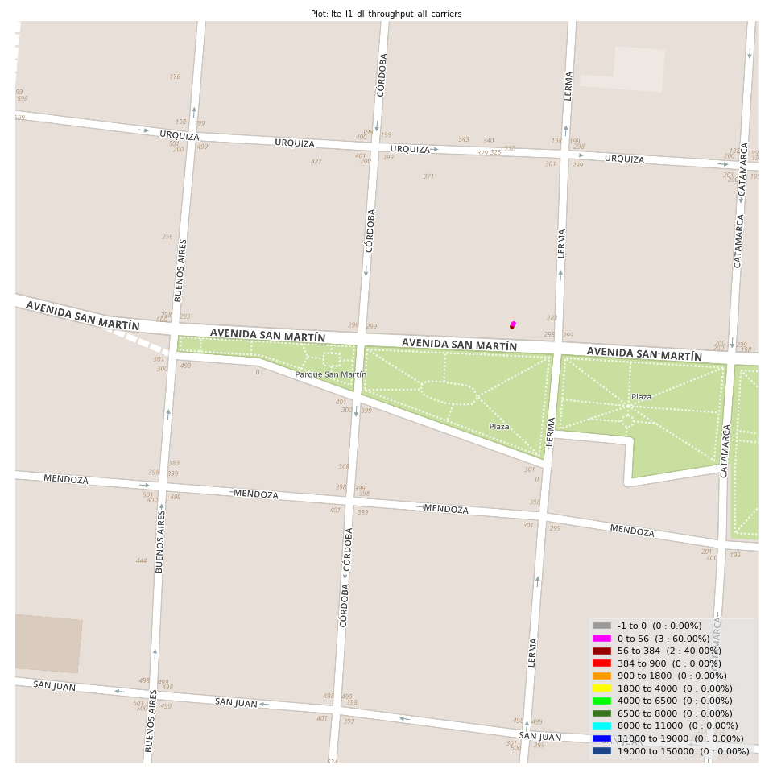
lte_l1_dl_throughput_all_carriers Report

Sampling Distribution Histogram
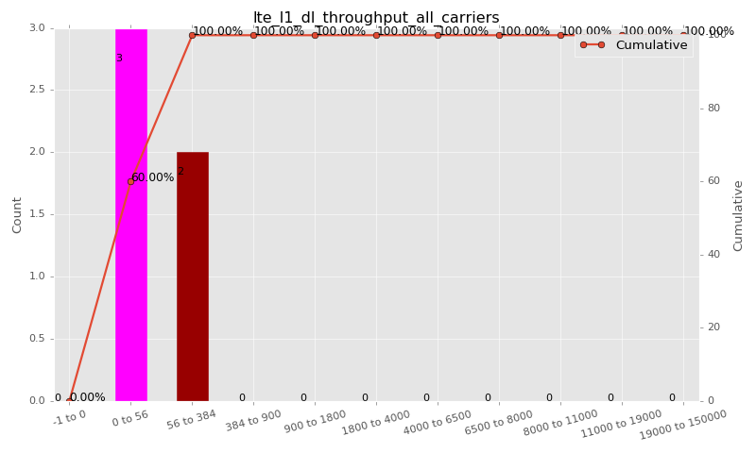

Sampling Distribution Table (first 10 ranges)
ColorXml | Lower | Upper | N Samples | Range | % | Cumulative %
 | -1 | 0 | 0 | -1 to 0 | 0.00 | 0.00
 | 0 | 56 | 3 | 0 to 56 | 60.00 | 60.00
 | 56 | 384 | 2 | 56 to 384 | 40.00 | 100.00
 | 384 | 900 | 0 | 384 to 900 | 0.00 | 100.00
 | 900 | 1800 | 0 | 900 to 1800 | 0.00 | 100.00
 | 1800 | 4000 | 0 | 1800 to 4000 | 0.00 | 100.00
 | 4000 | 6500 | 0 | 4000 to 6500 | 0.00 | 100.00
 | 6500 | 8000 | 0 | 6500 to 8000 | 0.00 | 100.00
 | 8000 | 11000 | 0 | 8000 to 11000 | 0.00 | 100.00
 | 11000 | 19000 | 0 | 11000 to 19000 | 0.00 | 100.00

Basic statistics
N | 5
Mean | 48.71
SD | 53.47
MAX | 128.00
Median | 16.89
Min | 3.95

Geographical Plot

lte_inst_rsrp_1
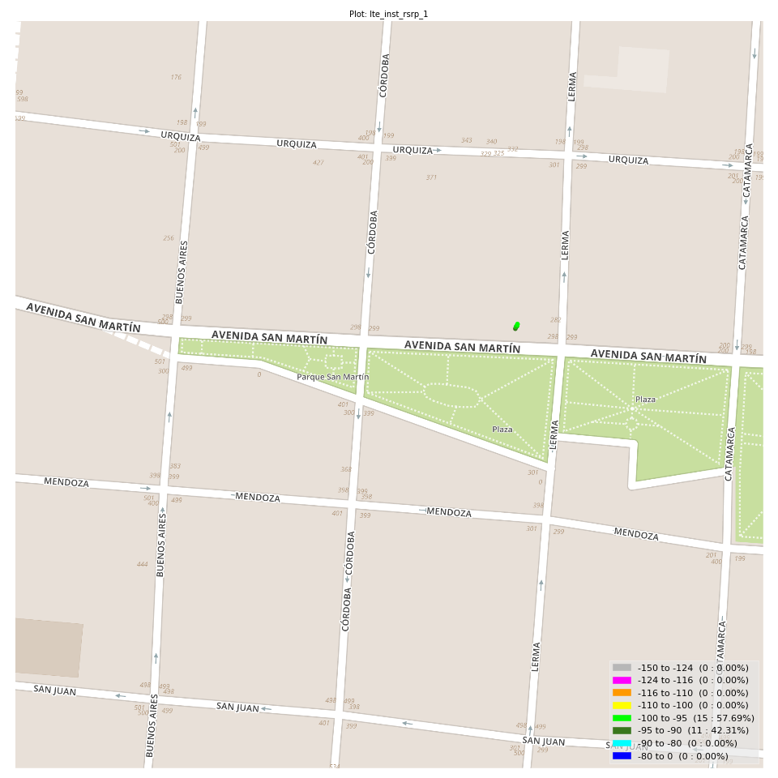
lte_inst_rsrp_1 Report

Sampling Distribution Histogram
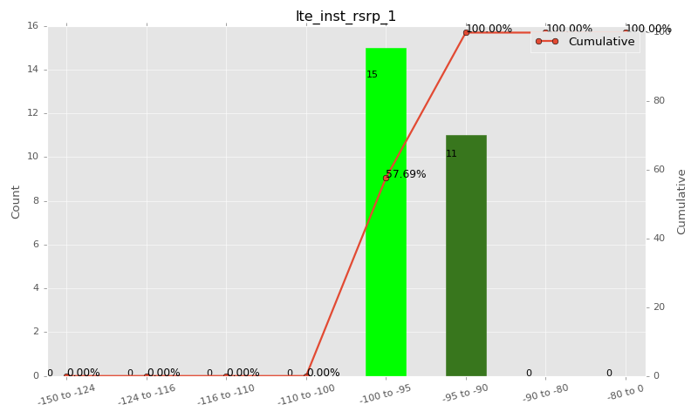

Sampling Distribution Table (first 10 ranges)
ColorXml | Lower | Upper | N Samples | Range | % | Cumulative %
 | -150 | -124 | 0 | -150 to -124 | 0.00 | 0.00
 | -124 | -116 | 0 | -124 to -116 | 0.00 | 0.00
 | -116 | -110 | 0 | -116 to -110 | 0.00 | 0.00
 | -110 | -100 | 0 | -110 to -100 | 0.00 | 0.00
 | -100 | -95 | 15 | -100 to -95 | 57.69 | 57.69
 | -95 | -90 | 11 | -95 to -90 | 42.31 | 100.00
 | -90 | -80 | 0 | -90 to -80 | 0.00 | 100.00
 | -80 | 0 | 0 | -80 to 0 | 0.00 | 100.00

Basic statistics
N | 26
Mean | -95.26
SD | 1.62
MAX | -92.62
Median | -95.41
Min | -98.17

Geographical Plot

lte_inst_rsrq_1
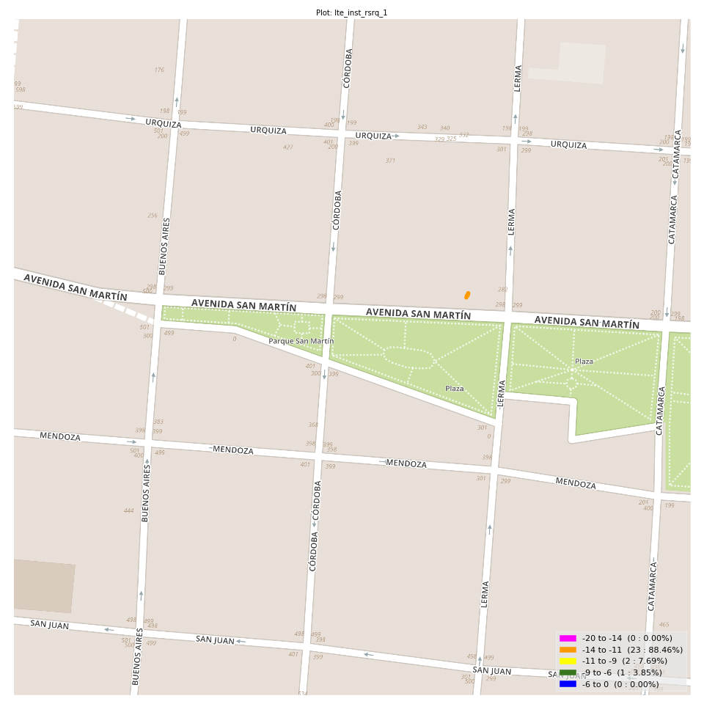
lte_inst_rsrq_1 Report

Sampling Distribution Histogram
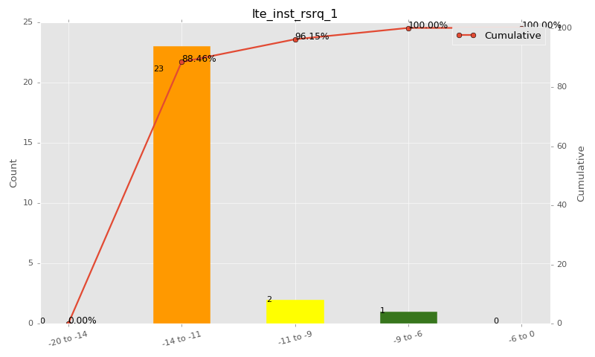

Sampling Distribution Table (first 10 ranges)
ColorXml | Lower | Upper | N Samples | Range | % | Cumulative %
 | -20 | -14 | 0 | -20 to -14 | 0.00 | 0.00
 | -14 | -11 | 23 | -14 to -11 | 88.46 | 88.46
 | -11 | -9 | 2 | -11 to -9 | 7.69 | 96.15
 | -9 | -6 | 1 | -9 to -6 | 3.85 | 100.00
 | -6 | 0 | 0 | -6 to 0 | 0.00 | 100.00

Basic statistics
N | 26
Mean | -12.01
SD | 1.28
MAX | -7.03
Median | -12.17
Min | -13.44

Geographical Plot

lte_inst_rssi_1

lte_inst_rssi_1 Report

Sampling Distribution Histogram
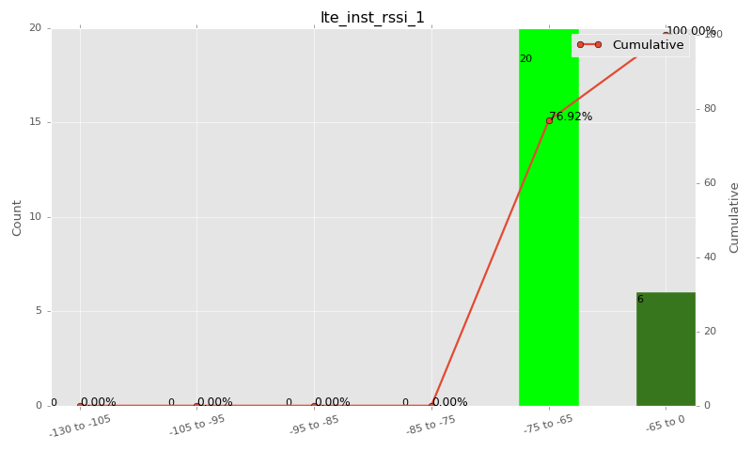

Sampling Distribution Table (first 10 ranges)
ColorXml | Lower | Upper | N Samples | Range | % | Cumulative %
 | -130 | -105 | 0 | -130 to -105 | 0.00 | 0.00
 | -105 | -95 | 0 | -105 to -95 | 0.00 | 0.00
 | -95 | -85 | 0 | -95 to -85 | 0.00 | 0.00
 | -85 | -75 | 0 | -85 to -75 | 0.00 | 0.00
 | -75 | -65 | 20 | -75 to -65 | 76.92 | 76.92
 | -65 | 0 | 6 | -65 to 0 | 23.08 | 100.00

Basic statistics
N | 26
Mean | -65.85
SD | 1.37
MAX | -62.25
Median | -65.76
Min | -68.69

Geographical Plot

lte_sinr_rx0_1
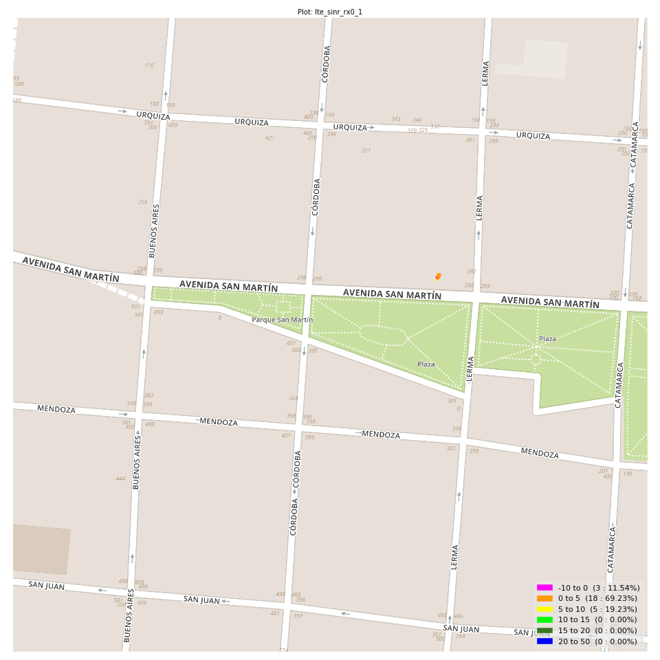
lte_sinr_rx0_1 Report

Sampling Distribution Histogram
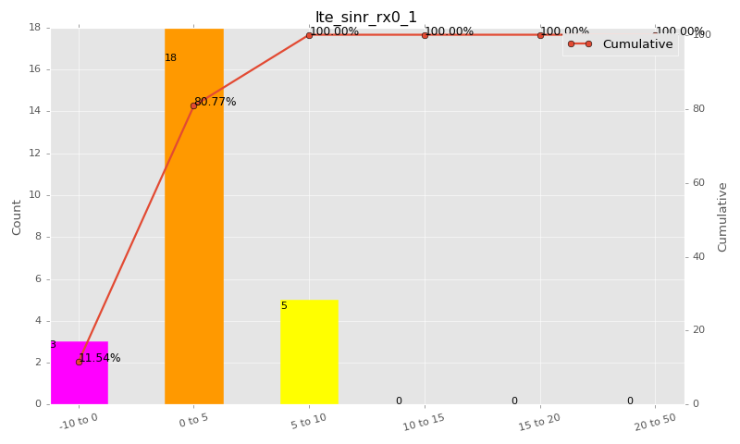

Sampling Distribution Table (first 10 ranges)
ColorXml | Lower | Upper | N Samples | Range | % | Cumulative %
 | -10 | 0 | 3 | -10 to 0 | 11.54 | 11.54
 | 0 | 5 | 18 | 0 to 5 | 69.23 | 80.77
 | 5 | 10 | 5 | 5 to 10 | 19.23 | 100.00
 | 10 | 15 | 0 | 10 to 15 | 0.00 | 100.00
 | 15 | 20 | 0 | 15 to 20 | 0.00 | 100.00
 | 20 | 50 | 0 | 20 to 50 | 0.00 | 100.00

Basic statistics
N | 26
Mean | 2.50
SD | 2.30
MAX | 7.00
Median | 2.15
Min | -0.66

Geographical Plot

lte_sinr_rx1_1

lte_sinr_rx1_1 Report

Sampling Distribution Histogram
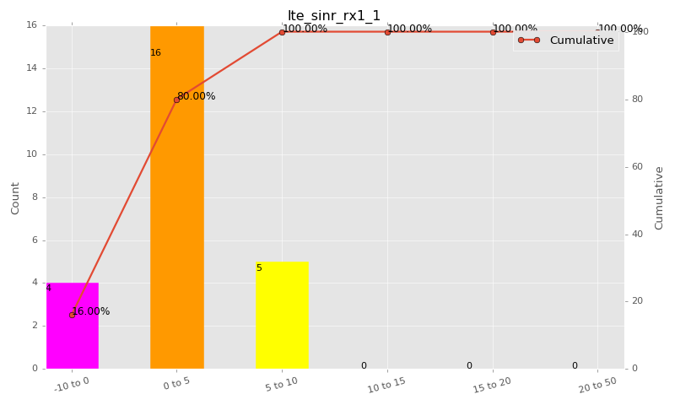

Sampling Distribution Table (first 10 ranges)
ColorXml | Lower | Upper | N Samples | Range | % | Cumulative %
 | -10 | 0 | 4 | -10 to 0 | 16.00 | 16.00
 | 0 | 5 | 16 | 0 to 5 | 64.00 | 80.00
 | 5 | 10 | 5 | 5 to 10 | 20.00 | 100.00
 | 10 | 15 | 0 | 10 to 15 | 0.00 | 100.00
 | 15 | 20 | 0 | 15 to 20 | 0.00 | 100.00
 | 20 | 50 | 0 | 20 to 50 | 0.00 | 100.00

Basic statistics
N | 25
Mean | 2.71
SD | 2.61
MAX | 8.90
Median | 2.10
Min | -1.10

Geographical Plot

lte_physical_cell_id_1
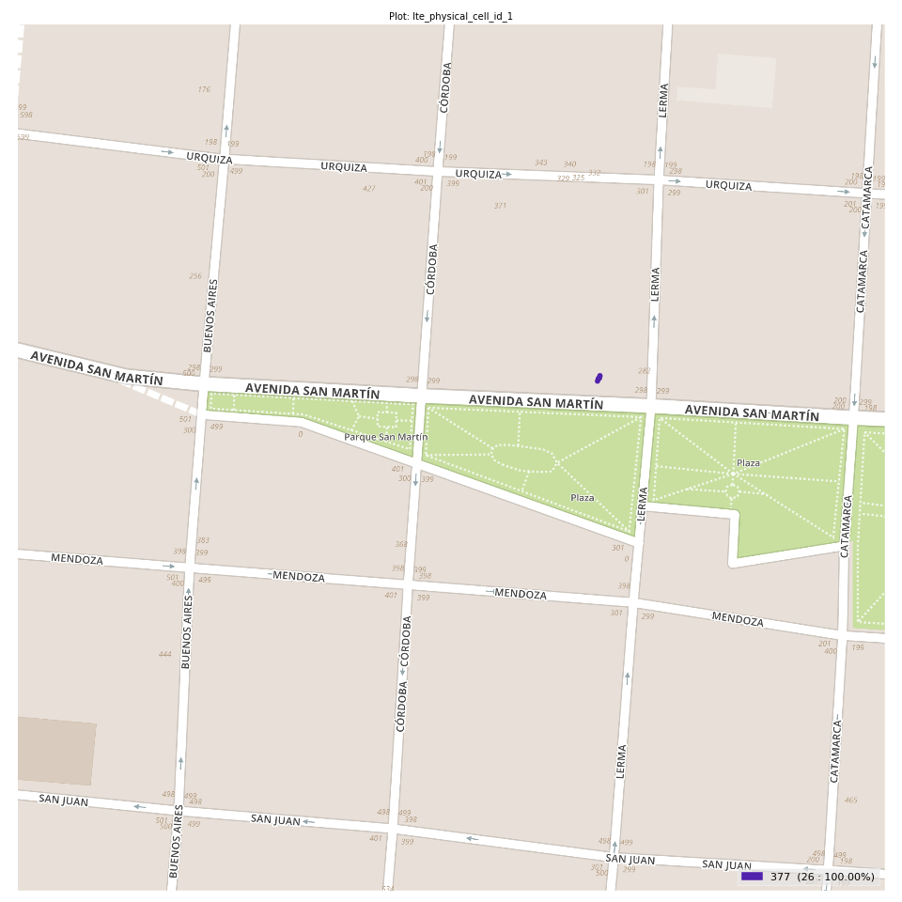
lte_physical_cell_id_1 Report

Sampling Distribution Histogram
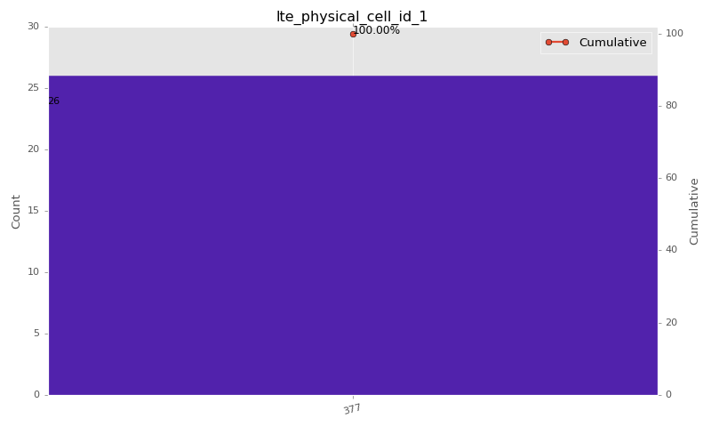

Sampling Distribution Table (first 10 ranges)
ColorXml | Lower | Upper | match_value | N Samples | Range | % | Cumulative %
 |  |  | 377 | 26 |  | 100.00 | 100.00

Basic statistics
N | 26
Mean | N/A (id-type column: lte_physical_cell_id_1)
SD | N/A (id-type column: lte_physical_cell_id_1)
MAX | N/A (id-type column: lte_physical_cell_id_1)
Median | N/A (id-type column: lte_physical_cell_id_1)
Min | N/A (id-type column: lte_physical_cell_id_1)

Geographical Plot

lte_earfcn_1
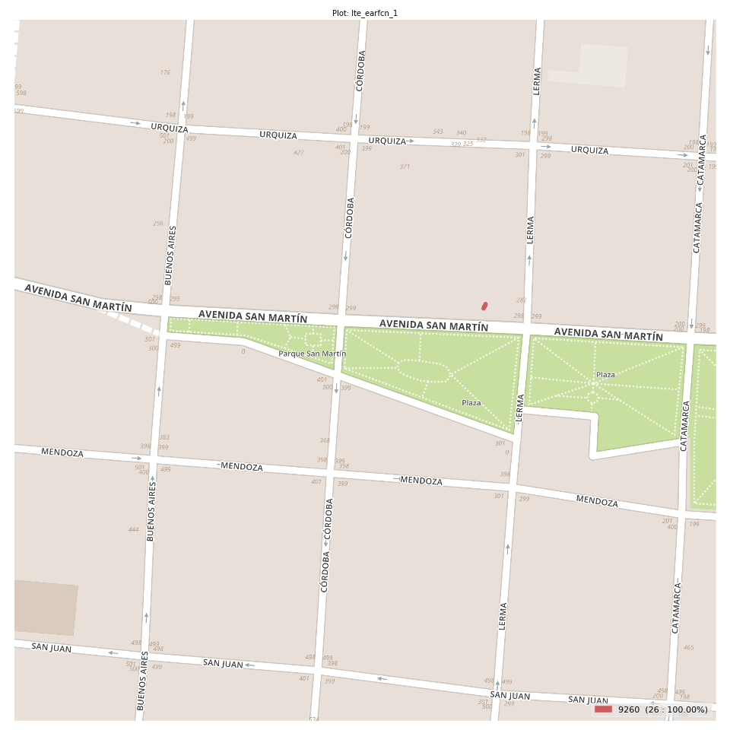
lte_earfcn_1 Report

Sampling Distribution Histogram
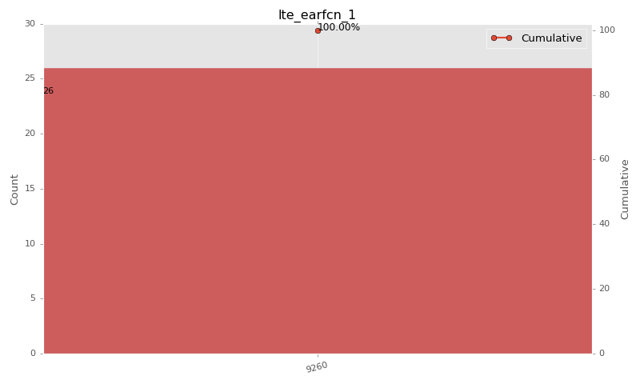

Sampling Distribution Table (first 10 ranges)
ColorXml | Lower | Upper | match_value | N Samples | Range | % | Cumulative %
 |  |  | 9260 | 26 |  | 100.00 | 100.00

Basic statistics
N | 26
Mean | N/A (id-type column: lte_earfcn_1)
SD | N/A (id-type column: lte_earfcn_1)
MAX | N/A (id-type column: lte_earfcn_1)
Median | N/A (id-type column: lte_earfcn_1)
Min | N/A (id-type column: lte_earfcn_1)

Geographical Plot

